Currency Change
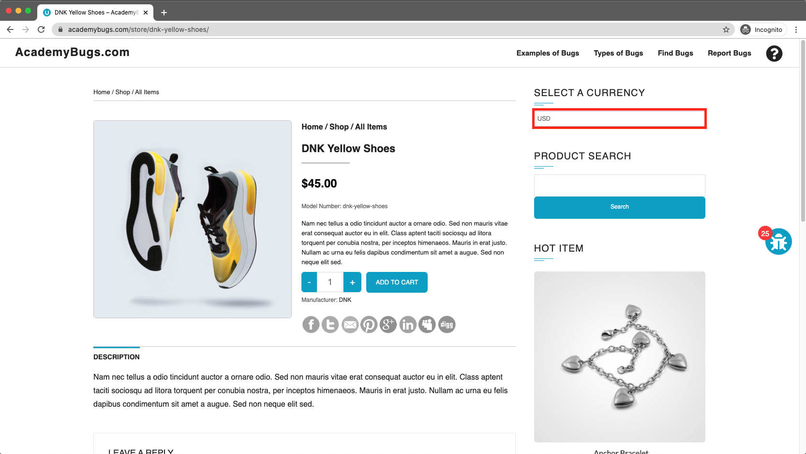
In this bug, the page freezes when changing the currency.

Severity | Issue Type | Frequency | Environment
High | Crash | Every Time | All Browsers

Actions Performed

1. Open https://academybugs.com. 2. Click the Find Bugs link on the navigation bar. 3. Open a product. 4. Change the currency in the right side menu.

Expected Results
The currency is changed as expected

Actual Results
The page freezes when changing the currency

Attachments

Price Filter
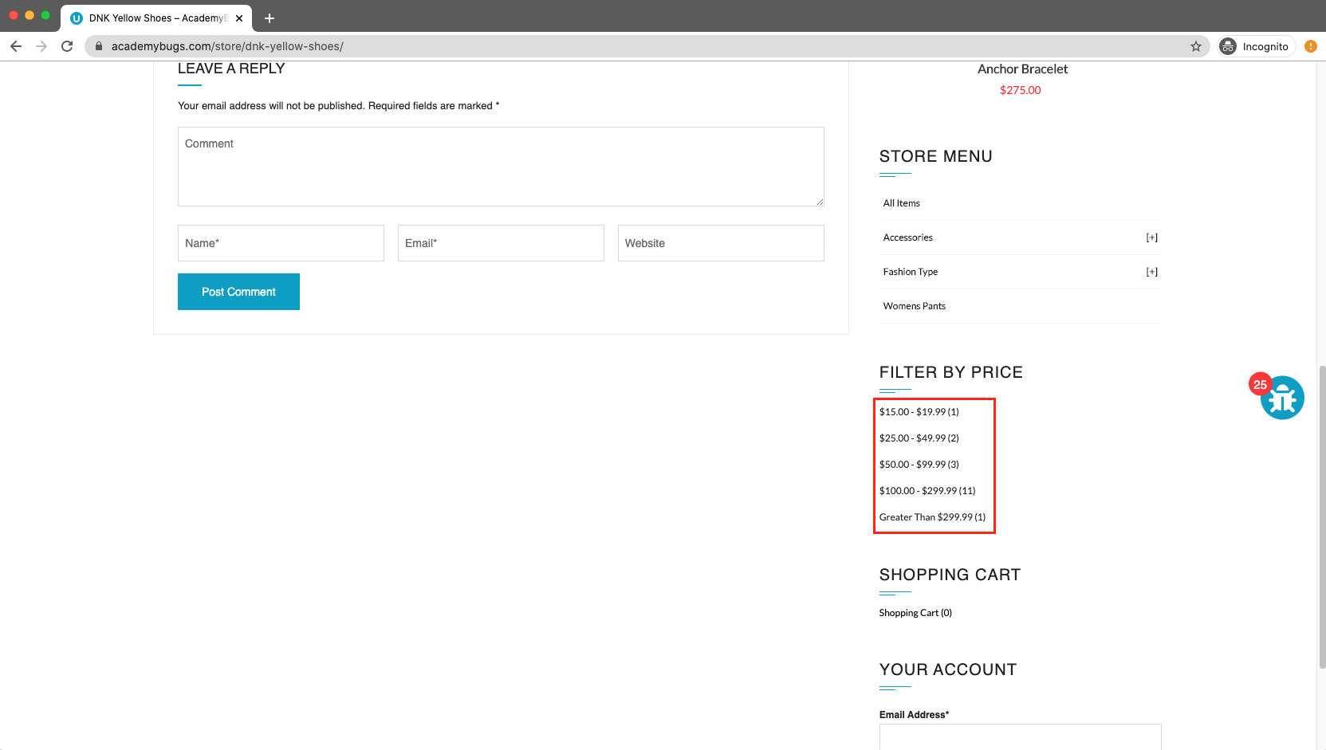
In this bug, the filter by price doesn't work in the product details or product list pages.

Severity | Issue Type | Frequency | Environment
Medium | Functional | Every Time | All Browsers

Actions Performed

1. Open https://academybugs.com 2. Click the Find Bugs link on the navigation bar 3. Open a product 4. On the right side menu find the Filter by Price section 6. Select any of the price ranges 7. Also open any item from the right side Store Menu and select the price ranges on the right side menu

Expected Results
A list of products in the selected price range is shown

Actual Results
The same page reloads

Attachments

Page Navigation
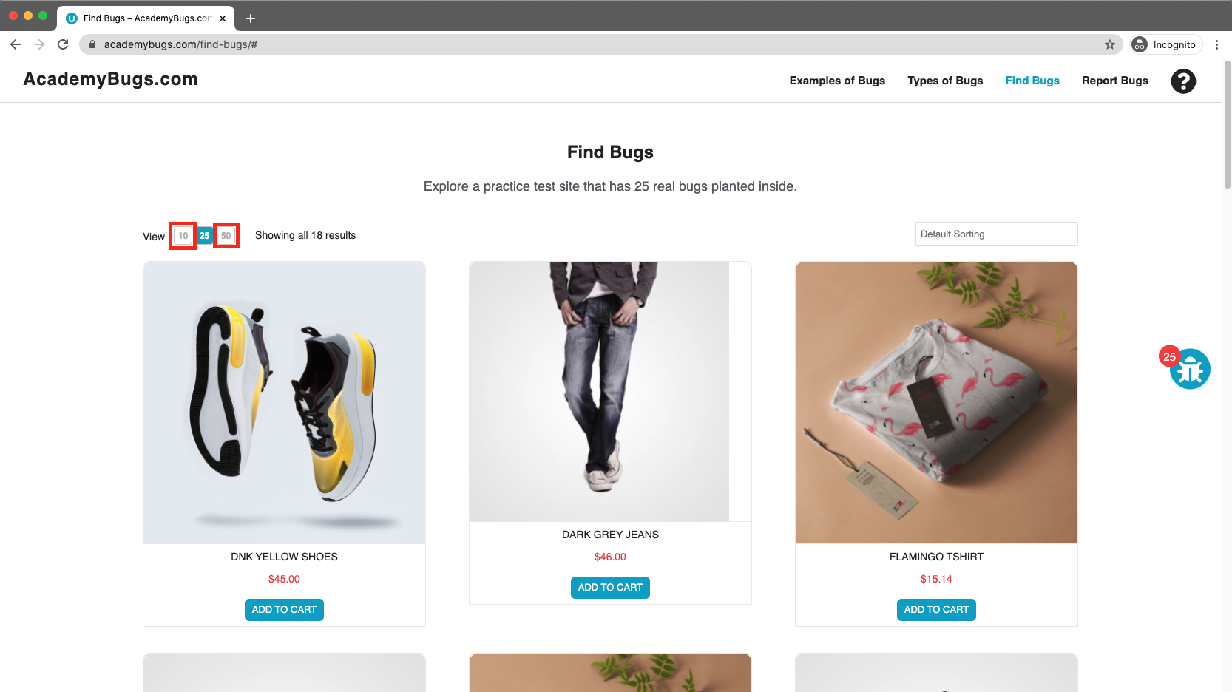
In this bug, the page becomes unresponsive when clicking on the numbers of results.

Severity | Issue Type | Frequency | Environment
High | Crash | Every Time | All Browsers

Actions Performed

1. Open https://academybugs.com 2. Click the Find Bugs link on the navigation bar 3. Click on the buttons to show a certain number of results at the top left

Expected Results
The selected number of results is displayed according to the clicked buttons

Actual Results
The page freezes when clicking on the numbers of results

Attachments

Sign In Button
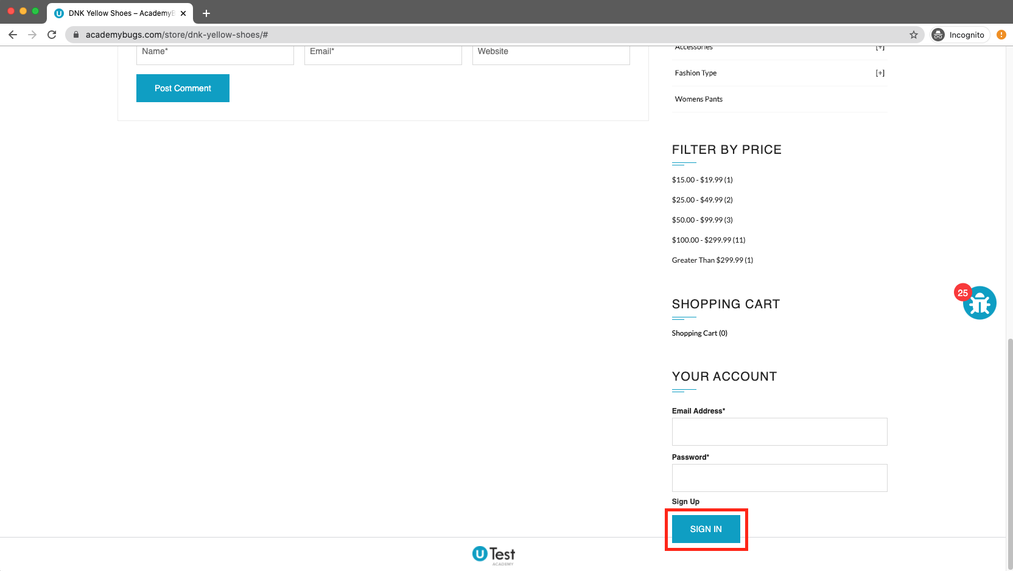
In this bug, the Sign In button overlaps the footer.

Severity | Issue Type | Frequency | Environment
Low | Visual | Every Time | All Browsers

Actions Performed

1. Open https://academybugs.com 2. Click the Find Bugs link on the navigation bar 3. Open a product with no color selection options 4. Scroll down to the bottom of the right side menu

Expected Results
The Sign In button is above the footer

Actual Results
The Sign In button overlaps the footer

Attachments

Manufacturer Link
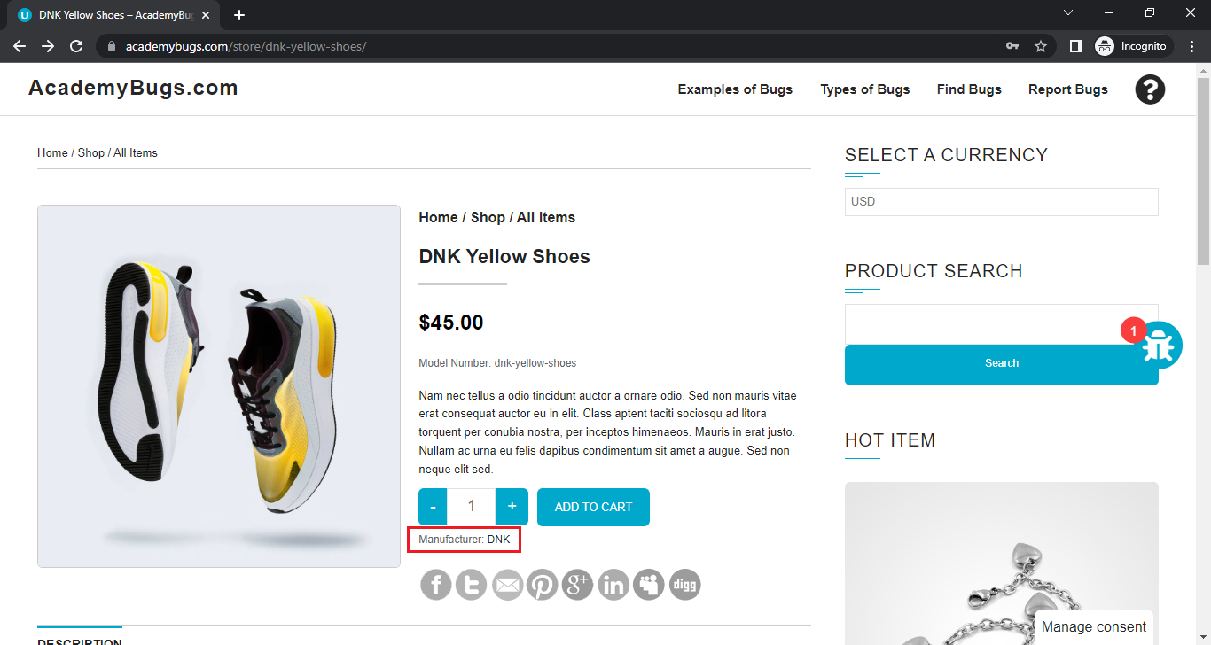
In this bug, the manufacturer link in the product details page is broken.

Severity | Issue Type | Frequency | Environment
Medium | Functional | Every Time | All Browsers

Actions Performed

1. Open https://academybugs.com 2. Click the Find Bugs link on the navigation bar 3. Open a product 4. Click the manufacturer link under the quantity

Expected Results
The manufacturer link shows an appropriate page

Actual Results
The manufacturer link opens an error page

Attachments

Description
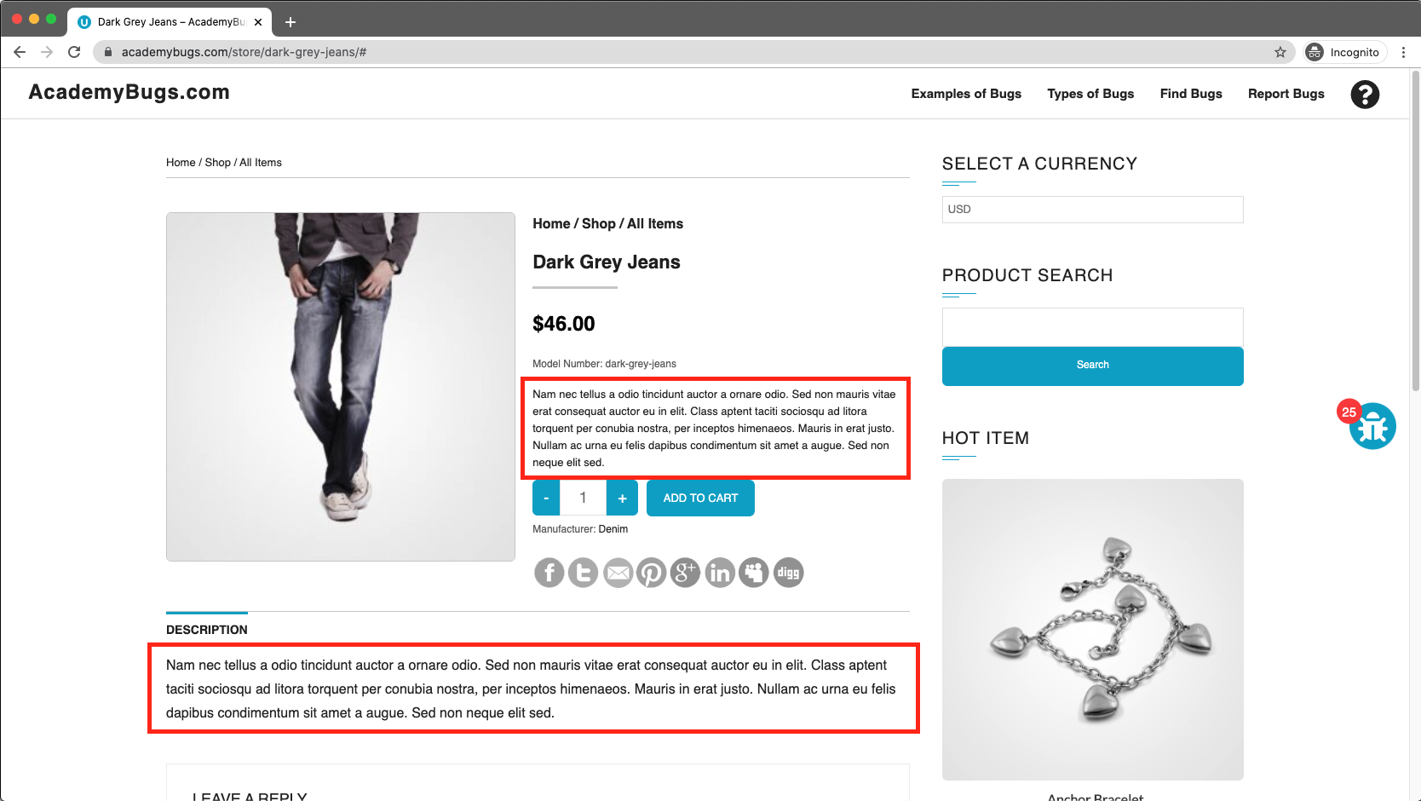
In this bug, the short description and description of the product are not in English.

Severity | Issue Type | Frequency | Environment
Medium | Content | Every Time | All Browsers

Actions Performed

1. Open https://academybugs.com 2. Click the Find Bugs link on the navigation bar 3. Open a product

Expected Results
The short description and description of the product are in English

Actual Results
The short description and description of the product are not in English

Attachments

Spelling Mistake
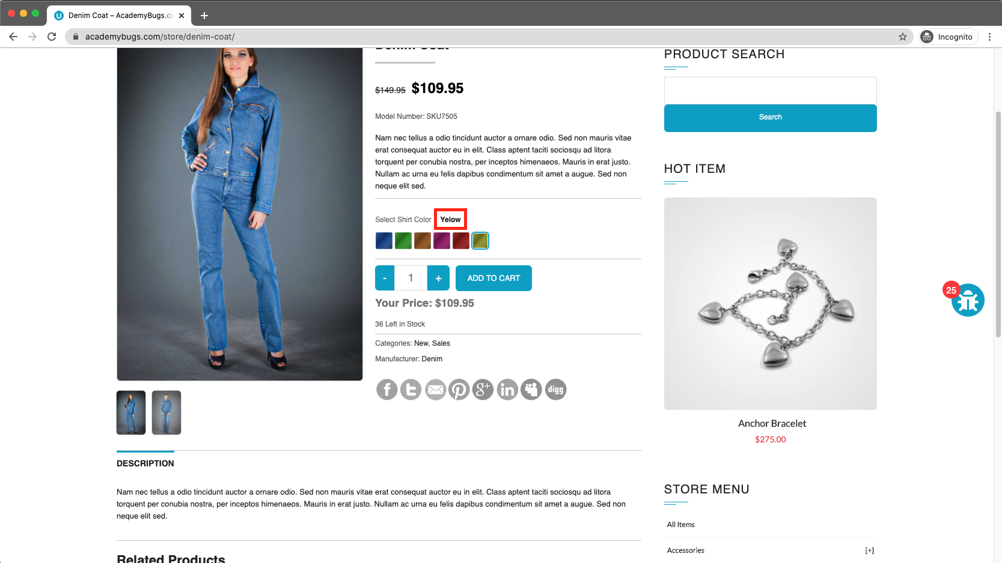
In this bug, the yellow and orange colors of the product are misspelled.

Severity | Issue Type | Frequency | Environment
Low | Content | Every Time | All Browsers

Actions Performed

1. Open https://academybugs.com 2. Click the Find Bugs link on the navigation bar 3. Open a product with color options 4. Choose the Yellow and Orange colors

Expected Results
The yellow and orange colors are spelled correctly

Actual Results
Yellow is misspelled as "Yelow" and Orange as "Orang"

Attachments

